Test case template
Център за обучение по софтуерно тестване Website: http://skillo-bg.com

Bug ID | PSB001
Name | Thie page can't load Google Maps correctly.
Priority | P2
Severity | S2
Description | -
Steps to reproduce | 1.Load http://automationpractice.com/index.php 2.Click on WOMAN menu
 | 3.Click on Discover our stores
 | Expected result: A working link to the location of the store.
 | Actual result: An error message from google maps .
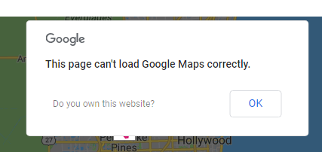

Attachment
Status | Opened
Component | Location of the store
Version/Build number (Found in) | Number of the build/release where the bug is found
Environment | OS Windows 7 SP 1 , Browser: Google chrome.Version 69.0.3497.100 (Official Build) (32-bit)
Comments | Additional info. Anyone can add comments in this field
Date Created | 31.10.2018
Author | Atanas Primov
Audit Log | Atanas Primov created this bug on 31.10.2018

